Working
Notes

Pedestrian Benefits:
- Pedestrian benefits have not been included in this analysis as the activity is mostly a cycleway improvement activity and the LOS has not changed for pedestrians.

Cycle counts: | Cycle demand: | NZTA Research Report 340 "Estimating Demand for new cycling facilities in NZ" 2007
 | PCV= | 181 | (existing cyclists)
- 2014 Gravitas Cycle Monitor Report (extract below). | MS= | 1.50% | (from EEM A.20.1, mode share from census data)
 | MV= | 15,392 | (from SAR, traffic count on Stanley St is 25111)
 | BG= | -2% | (from the background growth rate of cyclists on Central Park Drive)
 | *New Cyclists (NC)= | 11 | (using equation 22)
 | **Cycling annual Growth Rate= | 1% | (using equation 24)
 | *It has been assumed that only 10% of this value will be realised after the facility is built
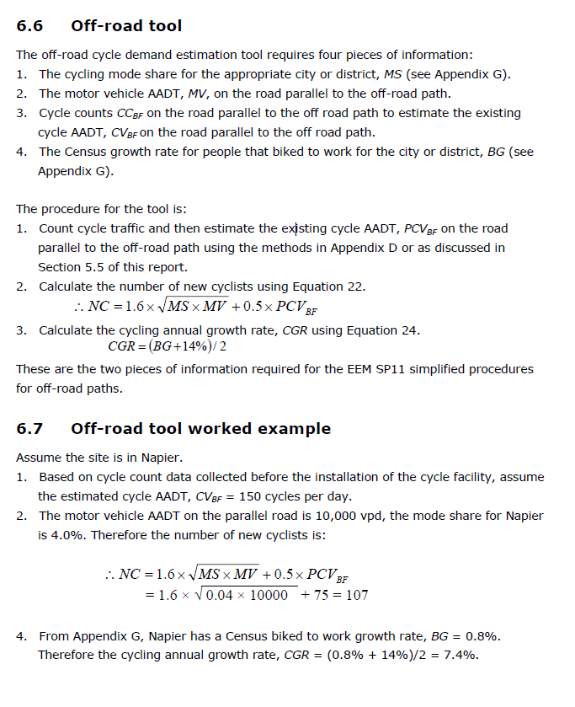
 | **It has been assumed that only 10% of this value will be realised after the facility is built

