100702
1300 Kennedy Bay Road Kennedy Bay

Property Description: |  | 2B2 ML HARATAUNGA, Pt 2 ML HARATAUNGA
Valuation Reference Number: |  | 04811-29400

Description | Factor | Amount Generated 2025/2026 |  | Amount Generated 2024/2025 |  | Amount Generated 2023/2024 |  | Amount Generated 2022/2023 |  | Amount Generated 2021/2022 |  | Amount Generated 2020/2021 |  | Amount Generated 2019/2020 |  | Amount Generated 2018/2019 |  | Amount Generated 2017/2018 |  | Amount Generated 2016/2017 |  | Amount Generated 2015/2026 |  | Amount Generated 2014/2025 |  | Amount Generated 2013/2024 |  | Amount Generated 2012/2013 |  | Amount Generated 2011/2012 |  | Amount Generated 2010/2011 |  | Amount Generated 2009/2010 |  | Amount Generated 2008/2009 |  | Amount Generated 2007/2008 |  | Amount Generated 2006/2007 |  | Amount Generated 2005/2006 |  | Amount Generated 2004/2005
CC - Coromandel Works and Services Charge |  |  |  |  |  |  |  |  |  |  |  |  |  |  |  |  |  | 3.00
110202 - Works & Services - Farm/Hort/ Rural/Res/Islands | SUIP | 340.10 |  | 331.48 |  | 269.85 |  | 282.35 |  | 236.59 |  | 252.42 |  | 244.65 |  | 224.29 |  | 269.32 |  | 278.83 |  | 268.32 |  | 136.82 |  | 131.34 |  | 121.71 |  | 143.91 |  | 111.65 |  | 140.79 |  | 129.24 |  | 133.44 |  | 111.39 |  | 74.14 |  | 52.46
CR - Coromandel Works and Services Rate
101200 - Works & Services Rural Other | LV | 380.80 |  | 380.80 |  | 313.30 |  | 308.75 |  | 267.15 |  | 324.26 |  | 312.48 |  | 275.90 |  | 328.41 |  | 334.64 |  | 321.29 |  | 355.30 |  | 339.15 |  | 316.20 |  | 338.73 |  | 256.28 |  | 343.00 |  | 343.00 |  | 300.00 |  | 257.81 |  | 274.89 |  | 275.40
G - General Rate
801001 - General Rate Rural Other | LV | 752.25 |  | 776.90 |  | 664.95 |  | 616.85 |  | 573.95 |  | 607.60 |  | 631.78 |  | 622.48 |  | 301.27 |  | 295.93 |  | 274.12 |  | 413.10 |  | 431.80 |  | 427.13 |  | 456.88 |  | 393.98 |  | 452.00 |  | 181.50 |  | 310.50 |  | 316.71 |  | 297.08 |  | 257.04
R - Solid Waste
810004 - Solid Waste Collection - Coromandel/Colville | SUIP | 361.25 |  | 363.37 |  | 359.49 |  | 194.33 |  | 195.72 |  | 108.54 |  | 103.02 |  | 100.10 |  | 118.75 |  | 125.55 |  | 119.77 |  | 129.56 |  | 114.96 |  | 119.28 |  | 139.97 |  | 117.88 |  | 122.27 |  | 114.45 |  | 102.72 |  | 99.86 |  | 92.58 |  | 86.01
ED - Economic Development
801008 - Economic Development Rural Other | IV |  |  |  |  |  |  |  |  |  |  |  |  |  |  |  |  |  |  |  |  |  |  |  |  |  |  |  |  |  |  |  |  |  |  | 188.40 |  | 175.50 |  | 159.99 |  | 169.79 |  | 176.89
RD - Roading & Building Control
800009 - District Transportation & Building Control | CV | 243.93 |  | 214.32 |  | 194.25 |  | 154.35 |  | 161.70 |  | 152.00 |  | 136.00 |  | 135.00 |  | 137.06 |  | 150.15 |  | 142.45 |  | 162.06 |  | 173.74 |  | 150.38 |  | 153.30 |  | 130.67 |  | 168.00 |  | 189.60 |  | 164.80 |  | 150.00 |  | 141.00 |  | 152.50
UAGC - Uniform Annual General Charge
800002 - Uniform Annual General Charge | SUIP | 709.03 |  | 735.06 |  | 600.31 |  | 677.36 |  | 600.04 |  | 523.64 |  | 495.18 |  | 472.32 |  | 437.43 |  | 407.97 |  | 374.26 |  | 338.14 |  | 283.87 |  | 250.80 |  | 333.20 |  | 309.10 |  | 321.16 |  | 416.97 |  | 358.69 |  | 290.22 |  | 293.85 |  | 285.77
GST - GST Component of Rates 2010-2011
GST - GST |  |  |  |  |  |  |  |  |  |  |  |  |  |  |  |  |  |  |  |  |  |  |  |  |  |  |  |  |  |  |  | 186.92
 |  | $2,787.36 | $- | $2,801.93 | $- | $2,402.15 | $- | $2,233.99 | $- | $2,035.15 | $- | $1,968.46 | $- | $1,923.11 | $- | $1,830.09 | $- | $1,592.24 | $- | $1,593.07 | $- | $1,500.21 | $- | $1,534.98 | $- | $1,474.86 | $- | $1,385.50 | $- | $1,565.99 | $- | $1,506.48 | $- | $1,547.22 | $- | $1,563.16 | $- | $1,545.65 | $- | $1,385.98 | $- | $1,343.33 | $- | $1,286.07 | $-

 |  | Account transaction 1994/1995 |  |  |  |  |  |  |  | Account transaction 1995/1996 |  |  |  |  |  |  |  | Account transaction 1996/1997 |  |  |  |  |  |  |  | Account transaction 1997/1998 |  |  |  |  |  |  |  | Account transaction 1998/1999
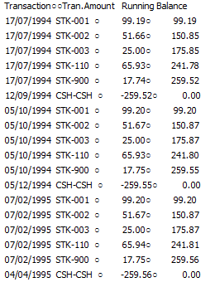
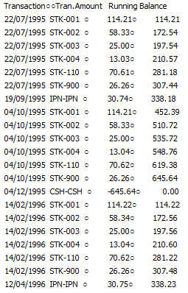
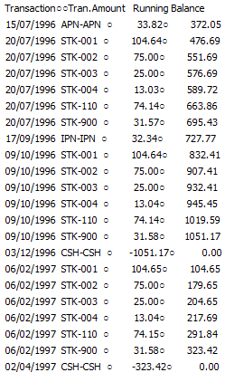
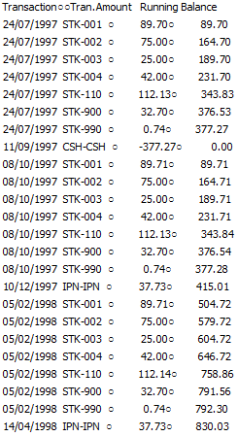
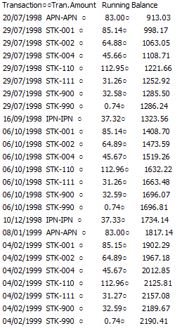

Valuation Information: |  | Year |  | Effective Date |  |  |  | Year |  | Effective Date |  |  |  | Year |  | Effective Date |  |  |  | Year |  | Effective Date |  |  |  | Year |  | Effective Date |  |  |  | Year |  | Effective Date |  |  |  | Year |  | Effective Date
 |  | 2023 |  | 2023-07-01 |  |  |  | 2020 |  | 2020-09-01 |  |  |  | 2017 |  | 2017-07-01 |  |  |  | 2014 |  |  |  |  |  | 2012 |  |  |  |  |  | 2009 |  |  |  |  |  | 2006

 |  | Year |  | Effective Date |  |  |  | Year |  | Effective Date |  |  |  | Year |  | Effective Date |  |  |  | Year |  | Effective Date
 |  | 2005 |  |  |  |  |  | 2004 |  |  |  |  |  | 2003 |  |  |  |  |  | 2000

100700
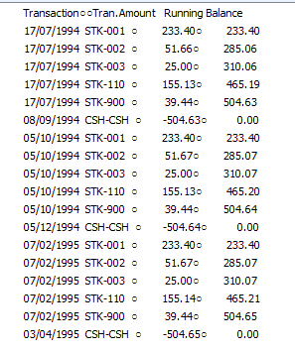
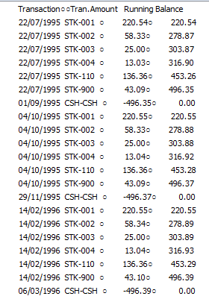
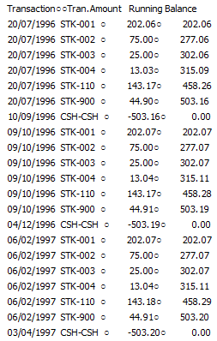
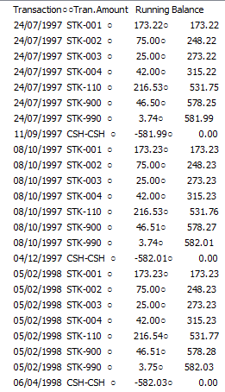
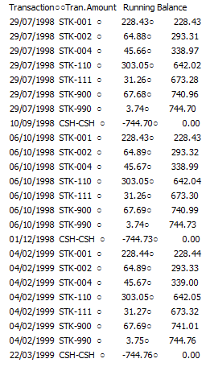
1302 Kennedy Bay Road Kennedy Bay

Property Description: | HARATAUNGA 2A BLK IX X HARATAUNGA SD
Valuation Reference Number: | 04811-29500

Description | Factor | Amount Generated 2025/2026 |  | Amount Generated 2024/2025 |  | Amount Generated 2023/2024 |  | Amount Generated 2022/2023 |  | Amount Generated 2021/2022 |  | Amount Generated 2020/2021 |  | Amount Generated 2019/2020 |  | Amount Generated 2018/2019 |  | Amount Generated 2017/2018 |  | Amount Generated 2016/2017 |  | Amount Generated 2015/2026 |  | Amount Generated 2014/2025 |  | Amount Generated 2013/2024 |  | Amount Generated 2012/2013 |  | Amount Generated 2011/2012 |  | Amount Generated 2010/2011 |  | Amount Generated 2009/2010 |  | Amount Generated 2008/2009 |  | Amount Generated 2007/2008 |  | Amount Generated 2006/2007 |  | Amount Generated 2005/2006 |  | Amount Generated 2004/2005
CC - Coromandel Works and Services Charge
110202 - Works & Services - Farm/Hort/ Rural/Res/Islands | SUIP | 340.10 |  | 331.48 |  | 269.85 |  | 282.35 |  | 236.59 |  | 252.42 |  | 244.65 |  | 224.29 |  | 269.32 |  | 278.83 |  | 268.32 |  | 136.82 |  | 131.34 |  | 121.71 |  | 143.91 |  | 111.65 |  | 140.79 |  | 129.24 |  | 133.44 |  | 111.39 |  | 74.14 |  | 52.46
CR - Coromandel Works and Services Rate
101200 - Works & Services Rural Other | LV | 990.08 |  | 990.08 |  | 833.86 |  | 821.75 |  | 711.03 |  | 862.95 |  | 831.60 |  | 734.25 |  | 870.84 |  | 887.36 |  | 851.96 |  | 936.32 |  | 893.76 |  | 833.28 |  | 892.64 |  | 675.36 |  | 1097.60 |  | 1097.60 |  | 960.00 |  | 879.57 |  | 937.86 |  | 939.60
G - General Rate
801001 - General Rate Rural Other | LV | 1955.85 |  | 2019.94 |  | 1769.79 |  | 1641.77 |  | 1527.59 |  | 1617.00 |  | 1681.35 |  | 1656.60 |  | 798.86 |  | 784.70 |  | 726.88 |  | 1088.64 |  | 1137.92 |  | 1125.60 |  | 1204.00 |  | 1038.24 |  | 1446.40 |  | 580.80 |  | 993.60 |  | 1080.54 |  | 1013.55 |  | 876.96
R - Solid Waste
810004 - Solid Waste Collection - Coromandel/Colville | SUIP | 361.25 |  | 363.37 |  | 359.49 |  | 194.33 |  | 195.72 |  | 108.54 |  | 103.02 |  | 100.10 |  | 118.75 |  | 125.55 |  | 119.77 |  | 129.56 |  | 114.96 |  | 119.28 |  | 139.97 |  | 117.88 |  | 122.27 |  | 114.45 |  | 102.72 |  | 99.86 |  | 92.58 |  | 86.01
RD - Roading & Building Control
800009 - District Transportation & Building Control | CV | 494.78 |  | 434.72 |  | 407.00 |  | 323.40 |  | 338.80 |  | 318.44 |  | 284.92 |  | 282.83 |  | 281.24 |  | 308.10 |  | 292.30 |  | 330.78 |  | 354.62 |  | 306.94 |  | 312.90 |  | 266.71 |  | 412.65 |  | 465.71 |  | 340.93 |  | 273.90 |  | 257.47 |  | 278.47
UAGC - Uniform Annual General Charge
800002 - Uniform Annual General Charge | SUIP | 709.03 |  | 735.06 |  | 600.31 |  | 677.36 |  | 600.04 |  | 523.64 |  | 495.18 |  | 472.32 |  | 437.43 |  | 407.97 |  | 374.26 |  | 338.14 |  | 283.87 |  | 250.80 |  | 333.20 |  | 309.10 |  | 321.16 |  | 416.97 |  | 358.69 |  | 290.22 |  | 293.85 |  | 285.77
GST - GST Component of Rates 2010-2011
GST - GST |  |  |  |  |  |  |  |  |  |  |  |  |  |  |  |  |  |  |  |  |  |  |  |  |  |  |  |  |  |  |  | 356.84
ED - Economic Development
801008 - Economic Development Rural Other | IV |  |  |  |  |  |  |  |  |  |  |  |  |  |  |  |  |  |  |  |  |  |  |  |  |  |  |  |  |  |  |  |  |  |  | 229.22 |  | 32.18 |  | 28.08 |  | 29.80 |  | 31.05
 |  | $4,851.09 | $- | $4,874.65 | $- | $4,240.30 | $- | $3,940.96 | $- | $3,609.77 | $- | $3,682.99 | $- | $3,640.72 | $- | $3,470.39 | $- | $2,776.44 | $- | $2,792.51 | $- | $2,633.49 | $- | $2,960.26 | $- | $2,916.47 | $- | $2,757.61 | $- | $3,026.62 | $- | $2,875.78 | $- | $3,540.87 | $- | $3,033.99 | $- | $2,921.56 | $- | $2,763.56 | $- | $2,699.25 | $- | $2,550.32

 |  | Account transaction 1994/1995 |  |  |  |  |  |  |  | Account transaction 1995/1996 |  |  |  |  |  |  |  | Account transaction 1996/1997 |  |  |  |  |  |  |  | Account transaction 1997/1998 |  |  |  |  |  |  |  | Account transaction 1998/1999

