Cover sheet
OIA-11737 traffic flows along SH1 through Ngauranga Gorge

Report Date: | 2023-01-09
Data extract date: | 2023-01-09
Requester: | ASE
Request: | I am seeking information relating to traffic flows along SH1, through Ngauranga Gorge, Wellington. Particularly, in the vicinity of SH1 between SH2 and Newlands Rd, I am seeking information relating to average/typical traffic flows, per hour, northbound and southbound, during an average/typical week. eg: Sunday, 00:00-01:00, xxx northbound vehicles, xxx southbound vehicles Sunday, 01:00-02:00, xxx northbound vehicles, xxx southbound vehicles … Sat, 23:00-00:00, xxx northbound vehicles, xxx southbound vehicles
Source database: | State Highway Traffic Monitoring System (TMS)

Please note the following concerning the data contained in this spreadsheet:
Data extracted is from 1 January 2021 through to 9 October 2022.
The TMS sites used for this analysis are the following location:
Newlands Interchange - SB Through Traffic (site reference 01N11066)
Newlands Interchange - NB Through Traffic (site reference 01N21066)
Site location is on the "Site Location" tab on this spreadsheet.
There are gaps in the data due to the sites being out of action for periods of time, and there is only data loaded for the sites up to 9 October 2022.

For further information, please contact |  | official.correspondence@nzta.govt.nz

Site Location
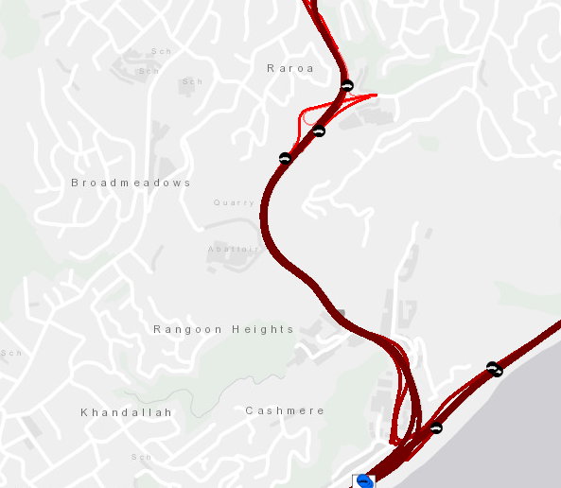

Newlands Interchange - NB Through Traffic
(site reference 01N21066)

Newlands Interchange - SB Through Traffic
(site reference 01N11066)

